GRUPO II

COMISIÓN ESTATAL MIXTA DE ESCALAFÓN MORELOS


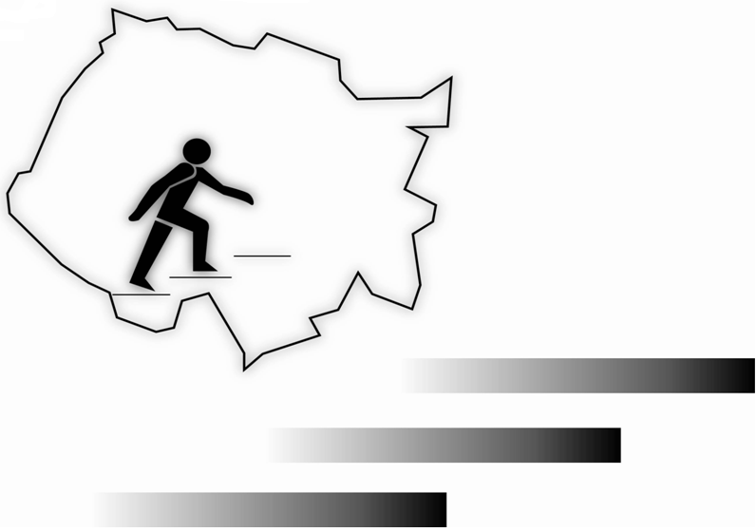

GRUPO II
CATÁLOGO
2013

FEDERAL
COMISIÓN ESTATAL MIXTA DE ESCALAFÓN MORELOS

GRUPO II
PREESCOLAR
FEDERAL

EDUCADORA
CATEGORIA E0199 EDUCADORA 3/4 DE TIEMPO

No. | EXP. | R.F.C. | NOMBRE | CONOC. (1080 MAX.) | APTITUD (600 MAX.) | ANTIGÜEDAD (480 MAX.) | DISC.Y PUNT. (240 MAX.) | TOTAL
1 | 902 | AACT7011103H8 | ARAGON CRUZ TAYDE | 0.0000 | 0.0000 | 298.0000 | 0.0000 | 298.0000

POR LA H. COMISIÓN MIXTA DE ESCALAFÓN
PRESIDENTE ÁRBITRO
PROFR. EDGAR FERNANDO ANTUNES CARBAJAL
 |  |  |  |  |  |  |  | -

SECRETARIAS DEL GRUPO II

REPRESENTANTE IEBEM
(NO SE HA NOMBRADO)
REPRESENTANTE SNTE
PROFRA. MARGARITA RIVAS RIOS

 |  |  |  |  |  |  |  |  | CORREGIR CURP

